Assignment
EditUserDetails | Add a Edit button to the above JSP page. On click of this button the page created in Day3 should open along with the data populated from DB. On click of the Submit button the updated data should be saved into the DB.

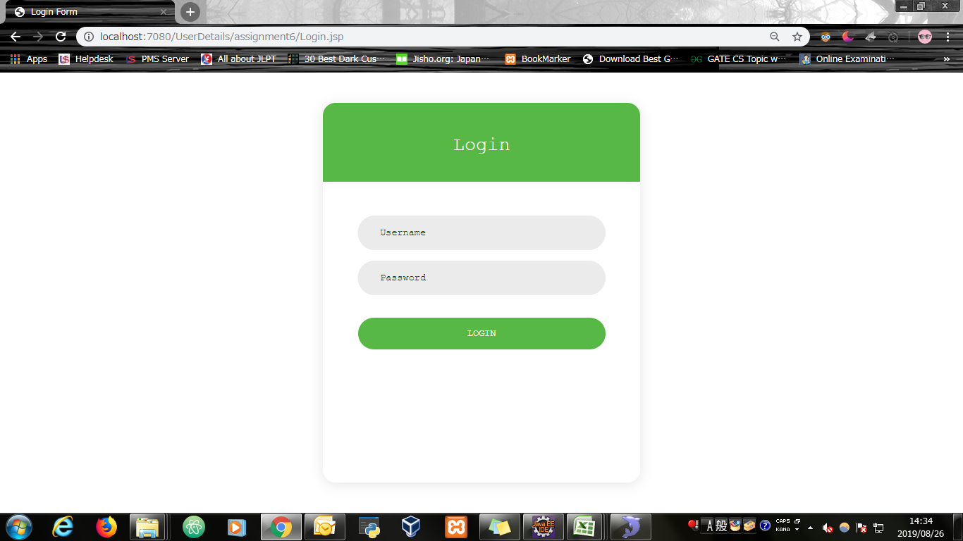
Input Screen

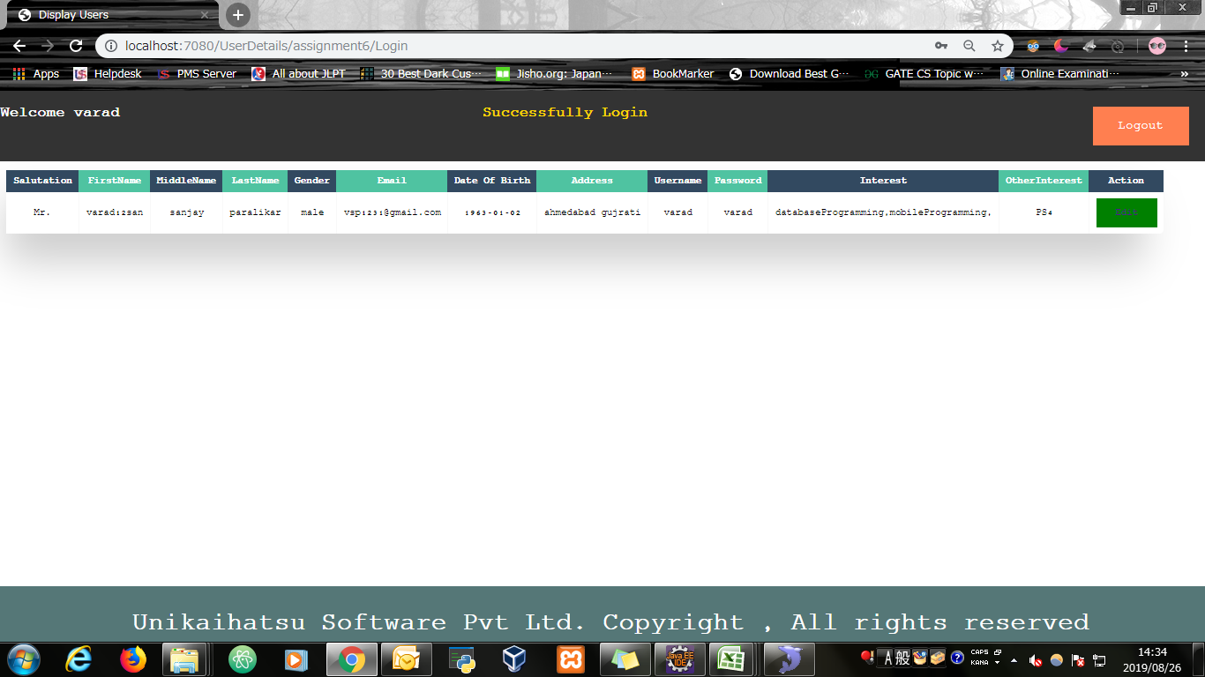
Output Screen

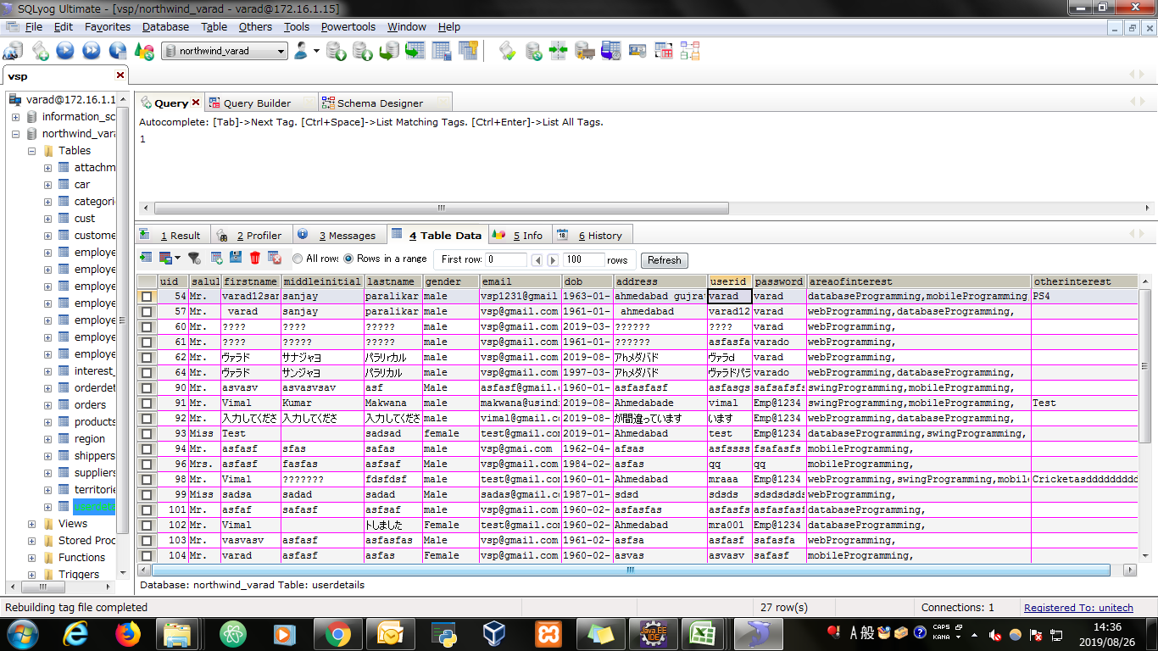
Database

Evidence
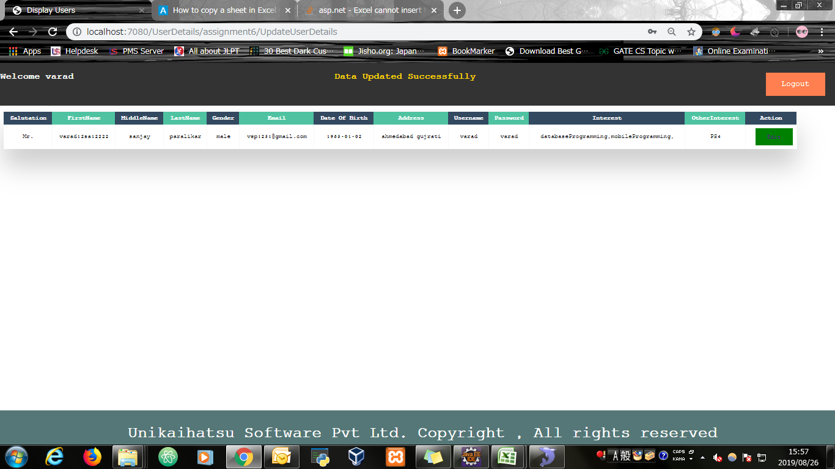
Screen shoot 1: | Page Load

Screen shoot 2: | Error Message



Screen shoot 3: | Successfully display data from the database

Screen shoot 4: | Edit Screen for editing user details

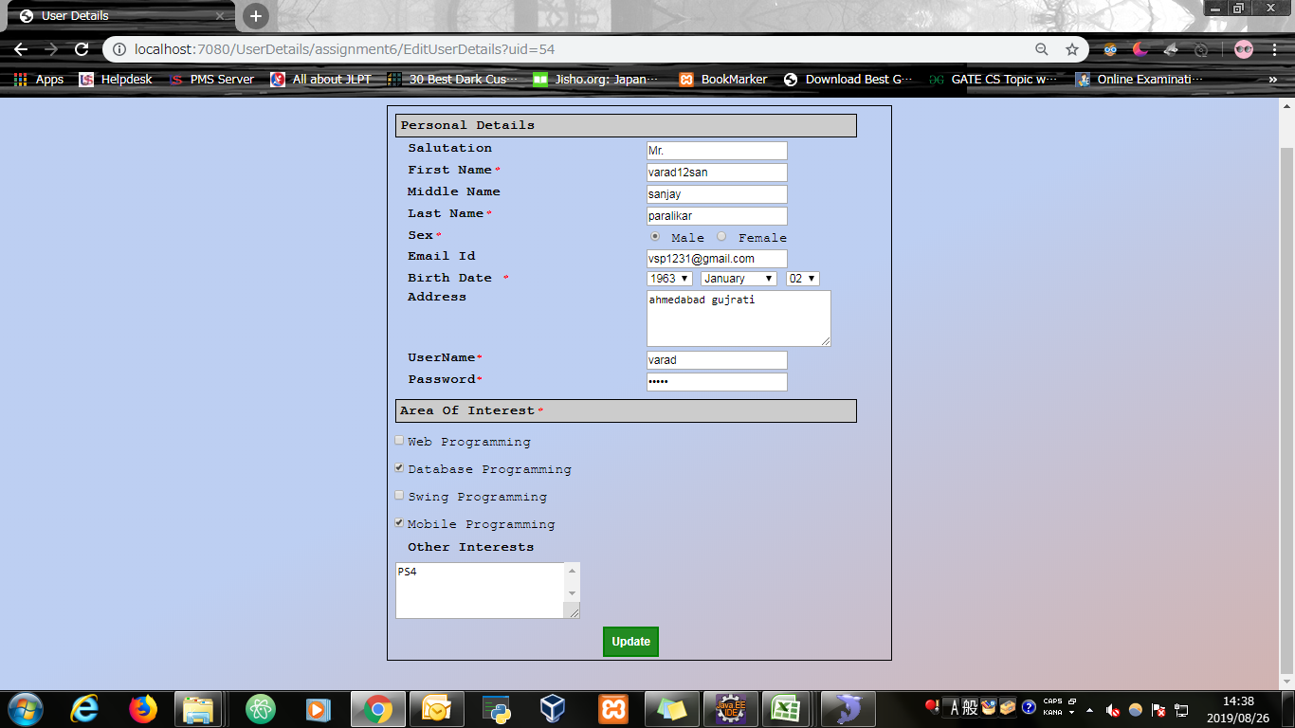

Screen shoot 5: | User Data Updated Successfully

